Instructions
Personnel Status Change Form (Per 3) - Instructions for Completion
There are three different files that can be used in completing a Per 3 form. The file labeled Per 3 (salary) should be used for all full time (100% FTE) salaried employees. The file labeled Per 3 (hourly) should be used for all full time (100% FTE) hourly employees. The file labeled Per 3 may be used for any purpose such as terminating a student worker. Within each file, there are 6 tabs. The tabs labeled Original and Dean-Dir.are the first set of forms. This is the blank version in which the end user will have to manually input all of the required fields for routing. The tab labeled Datasheet is to be used for pasting query results to link to the next set of forms labeled Original (query) and Dean-Dir Query (see Figure 1).
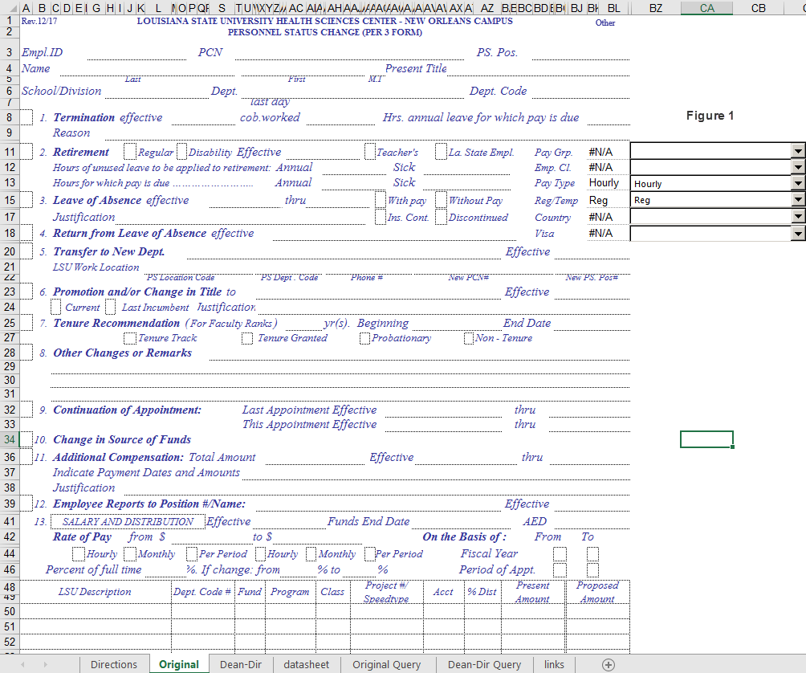
Blank set of forms (no query)
Datasheet -for linking data from query
Set of forms for use with query

Emp. ID - Seven (7) digit employee ID number assigned from PeopleSoft.

PCN - Ten (10) digits position control number assigned to the position when it was established.

PS Pos. - Eight (8) digits position number assigned by PeopleSoft.

Name - Jones III John H.
Last First M.I.
Names should be shown exactly as in the above example; Last Name First Name Middle Initial

Title - Assistant Professor
Title should be the official University title - should there be any question, please consult the Office of Human Resource Management, Operations section. If the space furnished is insufficient, proper abbreviation is permissible; if space is still insufficient, asterisk title blank and use Remarks, Item # 8.

School/Division - Medicine
The administrative area to which the employee's department reports.

Department - Surgery
The department to which the employee reports.

Dept. Code - NO149200
The PeopleSoft Department Code to which the employee reports.

Pay Grp. - NMF
The employee's pay group.
Empl. Cl. - 1 yr Trm
The employee's employee classification.
Pay Type - Salaried
The employee's pay type - ie. Salaried or Hourly
Reg/Temp - Regular
Indicates whether the employee is a regular or temporary employee.
Country - USA
Indicates the employee's country of citizenship. This field is not necessary for U.S. citizens.
Visa - J1
Indicates the type of visa permit the employee is on. This field is not necessary for US citizens.

PROPOSED ACTION: The first step after completing the top part of the form is to mark (X) the appropriate block (or blocks) indicating the action (or actions) being taken and fill in the required information.

(1) Termination
(a) Effective Date - This date is to be the effective date of termination that severs the individual from the employee-employer relationship with the LSU Health Sciences Center. It is not to be confused with the last day worked.
(b) Last Day cob.Worked - This should be the date of the last day of work at the close of business (c.o.b.).
(c) Hours of annual leave for which pay is due - Show hours for which pay for annual leave is due.
(d) Reason - This line must be completed for the Health Sciences Center to comply with the Unemployment Compensation Laws.

(2) Retirement
(a) Mark the correct box to indicate the type of retirement. Contact the Human Resource Management retirement representative, should you have any questions concerning this section.
(b) Indicate the effective date of such retirement.

(3) Leave of Absence
(a) Effective - The date of the first working day the employee is absent.
(b) Thru -The last working day in which the employee is absent.
(c) With Pay/Without Pay - Mark the appropriate box.
(d) Justification - Include the type of leave, and also indicate the rate of pay - example: Sabbatical with one-half pay. Refer to Permanent Memoranda #12.
(e) Insurance continued/discontinued - Mark the appropriate box so that the proper entries may be made to the insurance records and make sure an insurance leave without pay form is completed and submitted along with this form.

(4) Return from Leave of Absence effective - This is the first day the employee returns to work. It is required that this action be prepared in every case when an employee returns to work from any type of leave that required the processing of a form authorizing the leave.

(5) Transfer to New Department - This is the full name of the new department to which the employee is assigned. Item # 6 must always be completed in addition to this section.
(a) Effective Date - The date of the actual change in duties and responsibility.
(b) LSU Work Location - Physical location where the employee is assigned to work.
(1) PS Location Code - The nine digit PeopleSoft code that is used for distribution of campus pay checks and leave attendance sheets.
(2) PS Dept Code - The PS department code indicating the department in which the employee will be working.
(3) Phone # - The number where the employee can be contacted while at work.
(4) New PS. Pos. # - The new eight digit PeopleSoft Position number that the employee has been assigned to.
(5) New PCN# - The position control number from the Operating Budget for the position being filled. For multiple Position Control Numbers, please clarify in item #8, Remarks.

(6) Promotion and/or Change in Title to: The new title for either promotion or change should be shown with the title conforming to instructions in item #5 above. A title can change without a promotion in lateral moves. In a lateral transfer to a new department with no change in title it is not necessary to complete this item #.
(a) Effective Date - Refers to 5(a) and, in addition, the time of the increase in pay should be considered.
(b) New Position Control Number should be typed in "remarks"
(c) Current/Last Incumbent - Mark the appropriate box.
(d) Justification - A brief explanation is sufficient.

(7) Tenure Recommendation (For Faculty Ranks) - This should be completed in only those instances in which it is applicable , and in accordance with the Bylaws and Regulations of the Board of Supervisors of Louisiana State University and Agricultural and Mechanical College, Chapter 11, page 33, TENURE. Note: This section is reserved for faculty on tenure track. Tenure information should be supplied by the Department Head and/or Dean of each school. Do not attempt to complete this section by yourself.
_______ yrs - The number of year(s) given to a faculty member on tenure track
Beginning ___ - The effective date of the extension for a faculty member on tenure track.
End Date - The last day of the extension and should be completed by the department.

(8) Other Changes or Remarks - This area is reserved for pertinent information not covered on the form.

(9) Continuation of Appointment - This should be completed to continue employees that are currently on periods of appointments that are about to expire or have changes.
(a) Last Appointment Effective ___ Thru___ - The dates as shown on the current Appointment or Per 3 form.
(b) This Appointment Effective ___ Thru ___ - The new dates to extend an appointment or to show a new distribution or extension on restricted funds.

(10) Change in Source of Funds - Mark this box to indicate a change in source of funds and complete item # 12. Route prospective changes in source of funds to Human Resources and retrospective change in source of funds to Accounting Services

(11) Additional Compensation - This section is to be completed when an employee is paid for performing duties in addition to or outside the normal areas of responsibility of his/her job. These duties would be at the request of a Health Sciences Center Department and the funds would be paid through the Health Sciences Center. All areas of this section must be completed. For further information, please refer to PM-3.
(12) Employee Reports to Position #/Name - This section should be complete for all changes submitted on an employee. Enter the employees supervisor's PS position number and the supervisor's name
Effective Date - Enter the effective date of the supervisor change (if applicable)
(13) Salary And Distribution
Effective - The date in which the changes will begin.
Funds End Date - Used to indicate the through date for those appointments that are paid partially or completely from grants or contracts.
AED - Appointment End Date - To be completed by the Human Resource Management Department.
Rate of Pay - The annual level amount divided by 12 or a specified amount when paid on a period of appointment for unclassified, salaried employees. For bi-weekly or hourly employees, it is the hourly rate. Mark the appropriate box for the employee's pay type.
On the Basis of - Mark the appropriate box to indicate the type of appointment.
Percent of full time - Indicate the current percent of full-time.
If Change: from ___ % to ___ % - Complete this section only when there is a change on percent effort.
LSU Description - Brief description of the funding
Dept. Code # - The seven (7) digit PeopleSoft Department code for the funds
Fund - The three (3) digit funding code from the chart string that identifies the type of funding.
Program - The five (5) digit program code from the chart string that identifies the type of program.
Class- The five (5) digit class code from the chart string that identifies the type of class.
Project/Grant/- This is the Project/grant number.
Account - The six (6) digit PeopleSoft Account code.
% Distribution - The proposed percentage of distribution of the proposed total salary that is derived from the indicated funds.
Present and Proposed Amount - This amount of pay is to be the amount that a full-time employee would receive on a full-time basis for a fiscal year. For those employees appointed for less than full-time, their annual level should reflect the part-time annual amount for the fiscal year.
Totals - The sum of the present/proposed annual columns.

To complete the form using data extracted from Queries

Go into Citrix and log onto PeopleSoft HR Report.
Go to "Go" , "PeopleTools, "Query". Once the Query panel is available, open the public query labeled "LSUNOZZ_PER_3_GENERATOR" and choose the run link .
The query will prompt for the "position number", "Fiscal Year" and "Department ID". Enter the PeopleSoft position number for the person you would like to complete the Per 3 on, followed by the appropriate fiscal year in which the Per form is to be processed and the appropriate Department ID# preceded with "NO"

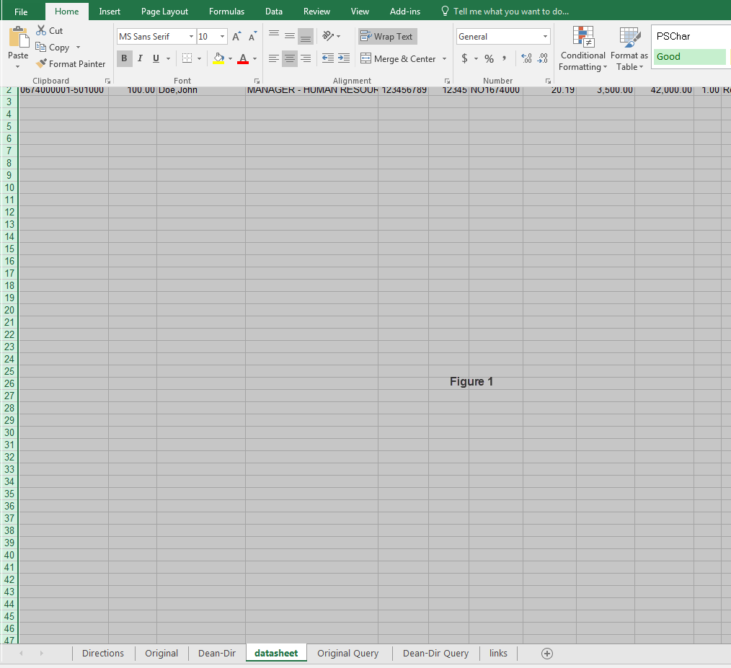
Once the results appears, export to Excel and highlight the rows where the data begins. Once the data is highlighted, go to Edit, and choose "Copy". Once the data is copied, go to the Excel workbook in which the Per 3 form is located and click on the "datasheet" tab. Click on cell A2, go to "Edit" and "Paste" (see Figure 1). The information from the query should appear on the datasheet. Go to the tab labeled "Original" and check to see that all the information from the query for the employee is on the form.
Figure 6
Figure 6

The information from the query should appear on the datasheet (see below).
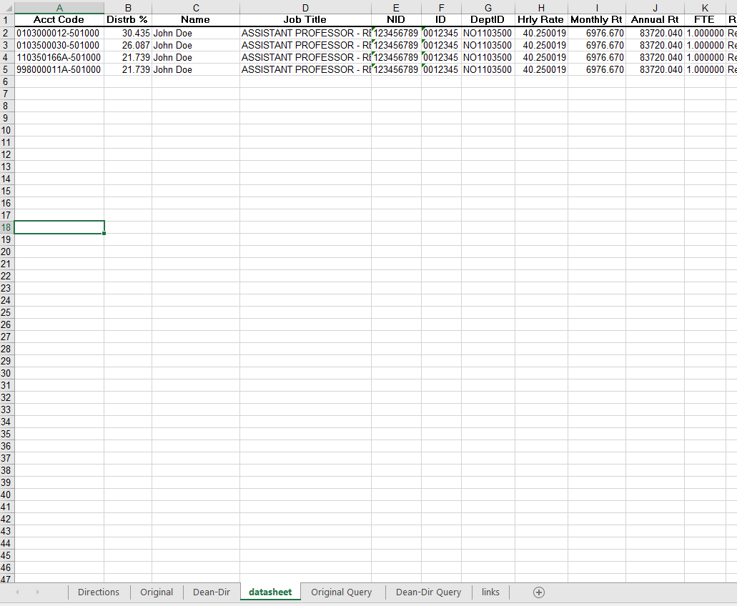

Go to the tab labeled "Original Query" and check to see that all the information from the query for the employee is on the form. (see Figure 2).
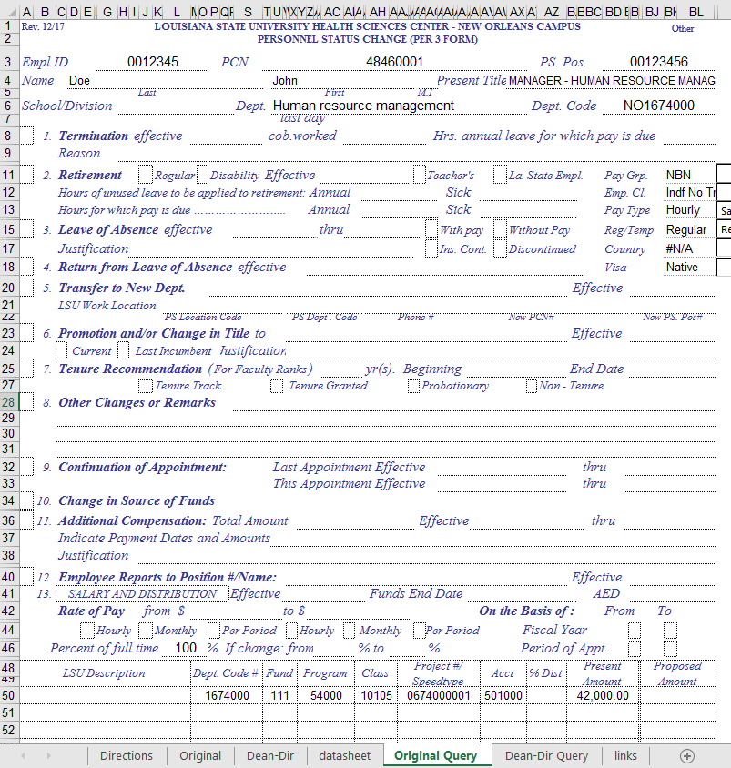

Figure 2

Complete the rest of the form - filling in all missing information. Preview the pages that make up the set of forms (tabs include - Original (query) and Dean-Dir (query)) to ensure that the form is fit to one page. Print the Original and Dean-Dir. tabs.

Instructions for Retroactive Changes in Source of Funds
1. Check box 10 indicating that the Personnel Status Change Form (PER-3) is for a retroactive change in source of funds (i.e. Salary Cost Transfer).

2. Enter the Earning Begin Date and the Earnings End Date in the Effective and Funds End Date fields under section 13.

a. If the Funds End Date is left blank or if the Funds End Date is greater than the date of the last issued paycheck, it will be updated in the Budget Table which is used for Account Code distributions on future payrolls. Any other changes to Account Codes in the Budget Table will require an additional PER-3

b. PER-3’s for supplemental compensation must not contain both retroactive and prospective changes on the same form. Separate forms must be issued for each.

3. The Chartfields listed for the Present Amount and the Proposed Amount columns should only include the Chartfields that are being changed.

4. The Present Amount column must represent the exact amount that was charged to the applicable project or unrestricted chartfield combination for the period indicated in Section 12. If this amount does not accurately reflect the actual amount previously charged, the PER-3 will be returned. There is a query in the PeopleSoft HR Reports database named LSU_EMP_SAL_DIST_BY_PERIOD that will provide users with the Account Code distribution for an employee for a given fiscal year by Check Date.

5. The Project/Grant Column must include the Speedtype for Fund 111 chartstrings.

6. The Proposed Amount column must represent the exact distribution that you expect and it must equal the total of the Present Amount column.

7. Separate PER-3s must be prepared for each Account. In other words, base salary and additional compensation cannot be transferred on the same form.

8. Once complete, all PER-3s for retroactive changes in source of funds must be routed to HR.

Original
Rev. 12/17
Salary
LOUISIANA STATE UNIVERSITY HEALTH SCIENCES CENTER - NEW ORLEANS CAMPUS
PERSONNEL STATUS CHANGE (PER 3 FORM)
Empl.ID |  |  |  |  |  |  |  |  |  |  |  | PCN |  |  |  |  |  |  |  |  |  |  |  |  |  |  |  |  |  |  |  |  |  | PS. Pos.
Name |  |  |  |  |  |  |  |  |  |  |  |  |  |  |  |  |  |  |  |  |  |  |  |  |  |  |  |  |  | Present Title
Last |  |  |  |  |  |  |  |  |  |  |  |  |  |  |  | First |  |  |  |  |  |  |  |  |  |  | M.I
School/Division |  |  |  |  |  |  |  |  |  |  |  |  |  |  | Dept. |  |  |  |  |  |  |  |  |  |  |  |  |  |  |  |  |  |  | Dept. Code
 |  |  |  |  |  |  |  |  |  |  |  |  |  |  |  | last day cob.worked
 | 1. | Termination effective |  |  |  |  |  |  |  |  |  |  |  |  |  |  |  |  |  |  |  |  |  |  |  |  |  |  | Hrs. annual leave for which pay is due
 |  | Reason

 | 2. | Retirement |  |  |  |  |  |  | Regular |  |  | Disability |  |  |  | Effective |  |  |  |  |  |  |  |  |  |  |  |  | Teacher's |  |  |  | La. State Empl. |  |  |  |  | Pay Grp.
 |  | Hours of unused leave to be applied to retirement: |  |  |  |  |  |  |  |  |  |  |  |  |  |  |  |  |  |  | Annual |  |  |  |  |  |  |  |  | Sick |  |  |  |  |  |  |  | Emp. Cl.
 |  | Hours for which pay is due …………………….. |  |  |  |  |  |  |  |  |  |  |  |  |  |  |  |  |  | Annual |  |  |  |  |  |  |  |  |  | Sick |  |  |  |  |  |  |  | Pay Type

 | 3. | Leave of Absence effective |  |  |  |  |  |  |  |  |  |  |  |  |  |  |  |  |  |  |  | thru |  |  |  |  |  |  |  | With pay |  |  | Without Pay |  |  |  |  | Reg/Temp

 |  | Justification |  |  |  |  |  |  |  |  |  |  |  |  |  |  |  |  |  |  |  |  |  |  |  |  |  |  |  | Ins. Cont. |  |  | Discontinued |  |  |  |  | Country
 | 4. | Return from Leave of Absence effective |  |  |  |  |  |  |  |  |  |  |  |  |  |  |  |  |  |  |  |  |  |  |  |  |  |  |  |  |  |  |  |  |  |  |  | Visa

 | 5. | Transfer to New Dept. |  |  |  |  |  |  |  |  |  |  |  |  |  |  |  |  |  |  |  |  |  |  |  |  |  |  |  |  |  |  |  |  |  | Effective
 |  | LSU Work Location
 |  |  |  |  |  |  |  |  |  | PS Location Code |  |  |  |  |  |  |  |  | PS Dept . Code |  |  |  |  |  |  |  | Phone # |  |  |  |  |  |  | New PCN# |  |  |  |  | New PS. Pos#
 | 6. | Promotion and/or Change in Title to |  |  |  |  |  |  |  |  |  |  |  |  |  |  |  |  |  |  |  |  |  |  |  |  |  |  |  |  |  |  |  |  |  | Effective
 |  |  | Current |  |  |  | Last Incumbent |  |  |  |  |  | Justification
 | 7. | Tenure Recommendation (For Faculty Ranks) |  |  |  |  |  |  |  |  |  |  |  |  |  |  |  |  |  |  |  |  |  | yr(s). Beginning |  |  |  |  |  |  |  |  |  |  |  | End Date

 |  |  |  |  |  |  |  |  | Tenure Track |  |  |  |  |  |  |  |  | Tenure Granted |  |  |  |  |  |  |  |  |  | Probationary |  |  |  |  |  |  | Non - Tenure
 | 8. | Other Changes or Remarks

 | 9. | Continuation of Appointment: |  |  |  |  |  |  |  |  |  |  |  |  |  | Last Appointment Effective |  |  |  |  |  |  |  |  |  |  |  |  |  |  |  |  |  |  |  | thru
 |  |  |  |  |  |  |  |  |  |  |  |  |  |  |  | This Appointment Effective |  |  |  |  |  |  |  |  |  |  |  |  |  |  |  |  |  |  |  | thru
 | 10. | Change in Source of Funds

 | 11. | Additional Compensation: Total Amount |  |  |  |  |  |  |  |  |  |  |  |  |  |  |  |  |  |  |  |  |  |  |  |  |  | Effective |  |  |  |  |  |  |  |  | thru
 |  | Indicate Payment Dates and Amounts
 |  | Justification

 | 12. | Employee Reports to Position #/Name: |  |  |  |  |  |  |  |  |  |  |  |  |  |  |  |  |  |  |  |  |  |  |  |  |  |  |  |  |  |  |  |  |  | Effective
 | 13. | SALARY AND DISTRIBUTION |  |  |  |  |  |  |  |  |  |  |  | Effective |  |  |  |  |  |  |  |  |  |  | Funds End Date |  |  |  |  |  |  |  |  |  |  |  | AED
 |  | Rate of Pay |  |  |  |  |  | from $ |  |  |  |  |  |  |  |  | to $ |  |  |  |  |  |  |  |  |  |  |  |  |  |  | On the Basis of : |  |  |  |  |  | From |  | To

 |  |  |  |  | Hourly |  |  |  | Monthly |  |  |  | Per Period |  |  |  |  |  |  | Hourly |  |  | Monthly |  |  |  |  |  | Per Period |  | Fiscal Year

Percent of full time |  |  |  |  |  |  |  |  |  |  |  | %. If change: from |  |  |  |  |  |  |  |  |  |  | % to |  |  |  |  |  | % |  | Period of Appt.

LSU Description |  |  |  |  |  |  |  |  |  |  | Dept. Code # |  |  |  |  | Fund |  |  |  | Program |  |  | Class |  |  | Project #/ Speedtype |  |  |  |  | Acct |  |  | % Dist |  | Present Amount |  |  |  | Proposed Amount

Original
 |  |  |  |  |  |  |  |  |  |  |  |  |  |  |  |  |  |  |  |  |  |  |  |  |  |  |  |  |  |  |  |  | Totals |  |  | 0.00 |  |  |  | 0.00

Signed |  |  |  |  |  |  |  |  |  |  |  |  |  |  |  |  | 2021-06-07 |  |  |  |  |  | Approved
 |  |  |  | Initiating Officer |  |  |  |  |  |  |  |  |  |  |  |  | Date |  |  |  |  |  |  |  |  | Human Resources |  |  |  |  |  |  |  |  |  |  |  |  |  | Date
Approved |  |  |  |  |  |  |  |  |  |  |  |  |  |  |  |  |  |  |  |  |  |  | Approved
 |  |  |  | Dean or Director |  |  |  |  |  |  |  |  |  |  |  |  | Date |  |  |  |  |  |  |  |  | Vice Chancellor |  |  |  |  |  |  |  |  |  |  |  |  |  | Date
 |  |  |  |  |  |  |  |  |  |  |  |  |  |  |  |  |  |  |  |  |  |  | Approved
Initials |  |  |  |  |  | Date |  | Initials |  |  | Date |  | Initials |  |  |  |  |  | Date |  |  |  |  |  |  | Chancellor |  |  |  |  |  |  |  |  |  |  |  |  |  | Date
 | Scan Final to: |  |  |  |  |  |  |  |  |  |  |  |  |  |  |  |  |  |  |  |  |  | Approved
 | Scan Final to: |  |  |  |  |  |  |  |  |  |  |  |  |  |  |  |  |  |  |  |  |  |  |  |  | President |  |  |  |  |  |  |  |  |  |  |  |  |  | Date

Original Query
Rev. 12/17
Salary
LOUISIANA STATE UNIVERSITY HEALTH SCIENCES CENTER - NEW ORLEANS CAMPUS
PERSONNEL STATUS CHANGE (PER 3 FORM)
Empl.ID |  |  |  |  |  | 0012345 |  |  |  |  |  | PCN |  |  |  | 48460001 |  |  |  |  |  |  |  |  |  |  |  |  |  |  |  |  |  |  | PS. Pos. |  |  |  | 00123456
Name |  |  | Doe |  |  |  |  |  |  |  |  |  |  |  |  |  | John |  |  |  |  |  |  |  |  |  |  |  |  |  | Present Title |  |  | MANAGER - HUMAN RESOURCE MANAG
Last |  |  |  |  |  |  |  |  |  |  |  |  |  |  |  | First |  |  |  |  |  |  |  |  |  |  |  | M.I
School/Division |  |  |  |  |  |  |  |  |  |  |  |  |  |  | Dept. |  | Human Resource Management |  |  |  |  |  |  |  |  |  |  |  |  |  |  |  |  |  | Dept. Code |  |  |  | NO1674000
 |  |  |  |  |  |  |  |  |  |  |  |  |  |  |  | last day cob.worked
 | 1. | Termination effective |  |  |  |  |  |  |  |  |  |  |  |  |  |  |  |  |  |  |  |  |  |  |  |  |  |  |  | Hrs. annual leave for which pay is due
 |  | Reason

 | 2. | Retirement |  |  |  |  |  |  | Regular |  |  | Disability |  |  |  | Effective |  |  |  |  |  |  |  |  |  |  |  |  |  | Teacher's |  |  |  | La. State Empl. |  |  |  |  | Pay Grp. |  |  | NMF
 |  | Hours of unused leave to be applied to retirement: |  |  |  |  |  |  |  |  |  |  |  |  |  |  |  |  |  |  |  | Annual |  |  |  |  |  |  |  |  | Sick |  |  |  |  |  |  |  | Emp. Cl. |  |  | Indf No Tn
 |  | Hours for which pay is due …………………….. |  |  |  |  |  |  |  |  |  |  |  |  |  |  |  |  |  |  | Annual |  |  |  |  |  |  |  |  |  | Sick |  |  |  |  |  |  |  | Pay Type |  |  | Salary

 | 3. | Leave of Absence effective |  |  |  |  |  |  |  |  |  |  |  |  |  |  |  |  |  |  |  |  | thru |  |  |  |  |  |  |  | With pay |  |  | Without Pay |  |  |  |  | Reg/Temp |  |  | Regular

 |  | Justification |  |  |  |  |  |  |  |  |  |  |  |  |  |  |  |  |  |  |  |  |  |  |  |  |  |  |  |  | Ins. Cont. |  |  | Discontinued |  |  |  |  | Country |  |  | #N/A
 | 4. | Return from Leave of Absence effective |  |  |  |  |  |  |  |  |  |  |  |  |  |  |  |  |  |  |  |  |  |  |  |  |  |  |  |  |  |  |  |  |  |  |  |  | Visa |  |  | Native

 | 5. | Transfer to New Dept. |  |  |  |  |  |  |  |  |  |  |  |  |  |  |  |  |  |  |  |  |  |  |  |  |  |  |  |  |  |  |  |  |  |  | Effective
 |  | LSU Work Location
 |  |  |  |  |  |  |  |  |  | PS Location Code |  |  |  |  |  |  |  |  |  | PS Dept . Code |  |  |  |  |  |  |  | Phone # |  |  |  |  |  |  | New PCN# |  |  |  |  | New PS. Pos#
 | 6. | Promotion and/or Change in Title to |  |  |  |  |  |  |  |  |  |  |  |  |  |  |  |  |  |  |  |  |  |  |  |  |  |  |  |  |  |  |  |  |  |  | Effective
 |  |  | Current |  |  |  | Last Incumbent |  |  |  |  |  | Justification
 | 7. | Tenure Recommendation (For Faculty Ranks) |  |  |  |  |  |  |  |  |  |  |  |  |  |  |  |  |  |  |  |  |  |  | yr(s). Beginning |  |  |  |  |  |  |  |  |  |  |  | End Date

 |  |  |  |  |  |  |  |  | Tenure Track |  |  |  |  |  |  |  |  |  | Tenure Granted |  |  |  |  |  |  |  |  |  | Probationary |  |  |  |  |  |  | Non - Tenure
 | 8. | Other Changes or Remarks

 | 9. | Continuation of Appointment: |  |  |  |  |  |  |  |  |  |  |  |  |  | Last Appointment Effective |  |  |  |  |  |  |  |  |  |  |  |  |  |  |  |  |  |  |  |  | thru
 |  |  |  |  |  |  |  |  |  |  |  |  |  |  |  | This Appointment Effective |  |  |  |  |  |  |  |  |  |  |  |  |  |  |  |  |  |  |  |  | thru
 | 10. | Change in Source of Funds

 | 11. | Additional Compensation: Total Amount |  |  |  |  |  |  |  |  |  |  |  |  |  |  |  |  |  |  |  |  |  |  |  |  |  |  | Effective |  |  |  |  |  |  |  |  | thru
 |  | Indicate Payment Dates and Amounts
 |  | Justification

 | 12. | Employee Reports to Position #/Name: |  |  |  |  |  |  |  |  |  |  |  |  |  |  |  |  |  |  |  |  |  |  |  |  |  |  |  |  |  |  |  |  |  |  | Effective
 | 13. | SALARY AND DISTRIBUTION |  |  |  |  |  |  |  |  |  |  |  | Effective |  |  |  |  |  |  |  |  |  |  |  | Funds End Date |  |  |  |  |  |  |  |  |  |  |  | AED
 |  | Rate of Pay |  |  |  |  |  | from $ |  |  | 3,500.00 |  |  |  |  |  |  | to $ |  |  |  | 0.00 |  |  |  |  |  |  |  |  |  |  | On the Basis of : |  |  |  |  |  | From |  | To

 |  |  |  |  | Hourly |  |  |  | Monthly |  |  |  | Per Period |  |  |  |  |  |  |  | Hourly |  |  | Monthly |  |  |  |  |  | Per Period |  | Fiscal Year

Percent of full time |  |  |  |  |  |  |  |  |  | 100 |  | %. If change: from |  |  |  |  |  |  |  |  |  |  |  | % to |  |  |  |  |  | % |  | Period of Appt.

LSU Description |  |  |  |  |  |  |  |  |  |  | Dept. Code # |  |  |  |  | Fund |  |  |  |  | Program |  |  | Class |  |  | Project #/ Speedtype |  |  |  |  | Acct |  |  | % Dist |  | Present Amount |  |  |  | Proposed Amount

 |  |  |  |  |  |  |  |  |  |  | 1674000 |  |  |  |  | 111 |  |  |  |  | 54000 |  |  | 10105 |  |  | 0674000001 |  |  |  |  | 501000 |  |  |  |  | 42,000.00

Original
 |  |  |  |  |  |  |  |  |  |  |  |  |  |  |  |  |  |  |  |  |  |  |  |  |  |  |  |  |  |  |  |  |  | Totals |  |  | 42,000.00 |  |  |  | 0.00

Signed |  |  |  |  |  |  |  |  |  |  |  |  |  |  |  |  |  | 2021-06-07 |  |  |  |  |  | Approved
 |  |  |  | Initiating Officer |  |  |  |  |  |  |  |  |  |  |  |  |  | Date |  |  |  |  |  |  |  |  | Human Resources |  |  |  |  |  |  |  |  |  |  |  |  |  | Date
Approved |  |  |  |  |  |  |  |  |  |  |  |  |  |  |  |  |  |  |  |  |  |  |  | Approved
 |  |  |  | Dean or Director |  |  |  |  |  |  |  |  |  |  |  |  |  | Date |  |  |  |  |  |  |  |  | Vice Chancellor |  |  |  |  |  |  |  |  |  |  |  |  |  | Date
 |  |  |  |  |  |  |  |  |  |  |  |  |  |  |  |  |  |  |  |  |  |  |  | Approved
Initials |  |  |  |  |  | Date |  | Initials |  |  | Date |  | Initials |  |  |  |  |  |  | Date |  |  |  |  |  |  | Chancellor |  |  |  |  |  |  |  |  |  |  |  |  |  | Date
 | Scan Final to: |  |  |  |  |  |  |  |  |  |  |  |  |  |  |  |  |  |  |  |  |  |  | Approved
 | Scan Final to: |  |  |  |  |  |  |  |  |  |  |  |  |  |  |  |  |  |  |  |  |  |  |  |  |  | President |  |  |  |  |  |  |  |  |  |  |  |  |  | Date

Dean-Dir Query
Rev. 12/17
Salary
LOUISIANA STATE UNIVERSITY HEALTH SCIENCES CENTER - NEW ORLEANS CAMPUS
PERSONNEL STATUS CHANGE (PER 3 FORM)
Empl.ID |  |  |  |  |  | 0012345 |  |  |  |  |  | PCN |  |  |  | 48460001 |  |  |  |  |  |  |  |  |  |  |  |  |  |  |  |  |  |  | PS. Pos. |  |  |  | 00123456
Name |  |  | Doe |  |  |  |  |  |  |  |  |  |  |  |  |  | John |  |  |  |  |  |  |  |  |  |  |  |  |  | Present Title |  |  | MANAGER - HUMAN RESOURCE MANAG
Last |  |  |  |  |  |  |  |  |  |  |  |  |  |  |  | First |  |  |  |  |  |  |  |  |  |  |  | M.I
School/Division |  |  |  |  |  |  |  |  |  |  |  |  |  |  | Dept. |  | Human Resource Management |  |  |  |  |  |  |  |  |  |  |  |  |  |  |  |  |  | Dept. Code |  |  |  | NO1674000
 |  |  |  |  |  |  |  |  |  |  |  |  |  |  |  | last day cob.worked
 | 1. | Termination effective |  |  |  |  |  |  |  |  |  |  |  |  |  |  |  |  |  |  |  |  |  |  |  |  |  |  |  | Hrs. annual leave for which pay is due
 |  | Reason

 | 2. | Retirement |  |  |  |  |  |  | Regular |  |  | Disability |  |  |  | Effective |  |  |  |  |  |  |  |  |  |  |  |  |  | Teacher's |  |  |  | La. State Empl. |  |  |  |  | Pay Grp. |  |  | NMF
 |  | Hours of unused leave to be applied to retirement: |  |  |  |  |  |  |  |  |  |  |  |  |  |  |  |  |  |  |  | Annual |  |  |  |  |  |  |  |  | Sick |  |  |  |  |  |  |  | Emp. Cl. |  |  | Indf No Tn
 |  | Hours for which pay is due …………………….. |  |  |  |  |  |  |  |  |  |  |  |  |  |  |  |  |  |  | Annual |  |  |  |  |  |  |  |  |  | Sick |  |  |  |  |  |  |  | Pay Type |  |  | Salary

 | 3. | Leave of Absence effective |  |  |  |  |  |  |  |  |  |  |  |  |  |  |  |  |  |  |  |  | thru |  |  |  |  |  |  |  | With pay |  |  | Without Pay |  |  |  |  | Reg/Temp |  |  | Regular

 |  | Justification |  |  |  |  |  |  |  |  |  |  |  |  |  |  |  |  |  |  |  |  |  |  |  |  |  |  |  |  | Ins. Cont. |  |  | Discontinued |  |  |  |  | Country |  |  | #N/A
 | 4. | Return from Leave of Absence effective |  |  |  |  |  |  |  |  |  |  |  |  |  |  |  |  |  |  |  |  |  |  |  |  |  |  |  |  |  |  |  |  |  |  |  |  | Visa |  |  | Native

 | 5. | Transfer to New Dept. |  |  |  |  |  |  |  |  |  |  |  |  |  |  |  |  |  |  |  |  |  |  |  |  |  |  |  |  |  |  |  |  |  |  | Effective
 |  | LSU Work Location
 |  |  |  |  |  |  |  |  |  | PS Location Code |  |  |  |  |  |  |  |  |  | PS Dept . Code |  |  |  |  |  |  |  | Phone # |  |  |  |  |  |  | New PCN# |  |  |  |  | New PS. Pos#
 | 6. | Promotion and/or Change in Title to |  |  |  |  |  |  |  |  |  |  |  |  |  |  |  |  |  |  |  |  |  |  |  |  |  |  |  |  |  |  |  |  |  |  | Effective
 |  |  | Current |  |  |  | Last Incumbent |  |  |  |  |  | Justification
 | 7. | Tenure Recommendation (For Faculty Ranks) |  |  |  |  |  |  |  |  |  |  |  |  |  |  |  |  |  |  |  |  |  |  | yr(s). Beginning |  |  |  |  |  |  |  |  |  |  |  | End Date

 |  |  |  |  |  |  |  |  | Tenure Track |  |  |  |  |  |  |  |  |  | Tenure Granted |  |  |  |  |  |  |  |  |  | Probationary |  |  |  |  |  |  | Non - Tenure
 | 8. | Other Changes or Remarks

 | 9. | Continuation of Appointment: |  |  |  |  |  |  |  |  |  |  |  |  |  | Last Appointment Effective |  |  |  |  |  |  |  |  |  |  |  |  |  |  |  |  |  |  |  |  | thru
 |  |  |  |  |  |  |  |  |  |  |  |  |  |  |  | This Appointment Effective |  |  |  |  |  |  |  |  |  |  |  |  |  |  |  |  |  |  |  |  | thru
 | 10. | Change in Source of Funds

 | 11. | Additional Compensation: Total Amount |  |  |  |  |  |  |  |  |  |  |  |  |  |  |  |  |  |  |  |  |  |  |  |  |  |  | Effective |  |  |  |  |  |  |  |  | thru
 |  | Indicate Payment Dates and Amounts
 |  | Justification

 | 12. | Employee Reports to Position #/Name: |  |  |  |  |  |  |  |  |  |  |  |  |  |  |  |  |  |  |  |  |  |  |  |  |  |  |  |  |  |  |  |  |  |  | Effective
 | 13. | SALARY AND DISTRIBUTION |  |  |  |  |  |  |  |  |  |  |  | Effective |  |  |  |  |  |  |  |  |  |  |  | Funds End Date |  |  |  |  |  |  |  |  |  |  |  | AED
 |  | Rate of Pay |  |  |  |  |  | from $ |  |  | 3,500.00 |  |  |  |  |  |  | to $ |  |  |  | 0.00 |  |  |  |  |  |  |  |  |  |  | On the Basis of : |  |  |  |  |  | From |  | To

 |  |  |  |  | Hourly |  |  |  | Monthly |  |  |  | Per Period |  |  |  |  |  |  |  | Hourly |  |  | Monthly |  |  |  |  |  | Per Period |  | Fiscal Year

Percent of full time |  |  |  |  |  |  |  |  |  | 100 |  | %. If change: from |  |  |  |  |  |  |  |  |  |  |  | % to |  |  |  |  |  | % |  | Period of Appt.

LSU Description |  |  |  |  |  |  |  |  |  |  | Dept. Code # |  |  |  |  | Fund |  |  |  |  | Program |  |  | Class |  |  | Project #/ Speedtype |  |  |  |  | Acct |  |  | % Dist |  | Present Amount |  |  |  | Proposed Amount

 |  |  |  |  |  |  |  |  |  |  | 1674000 |  |  |  |  | 111 |  |  |  |  | 54000 |  |  | 10105 |  |  | 0674000001 |  |  |  |  | 501000 |  |  |  |  | 42,000.00

Dean/Dir.
 |  |  |  |  |  |  |  |  |  |  |  |  |  |  |  |  |  |  |  |  |  |  |  |  |  |  |  |  |  |  |  |  |  | Totals |  |  | 42,000.00 |  |  |  | 0.00

Signed |  |  |  |  |  |  |  |  |  |  |  |  |  |  |  |  |  | 2021-06-07 |  |  |  |  |  | Approved
 |  |  |  | Initiating Officer |  |  |  |  |  |  |  |  |  |  |  |  |  | Date |  |  |  |  |  |  |  |  | Human Resources |  |  |  |  |  |  |  |  |  |  |  |  |  | Date
Approved |  |  |  |  |  |  |  |  |  |  |  |  |  |  |  |  |  |  |  |  |  |  |  | Approved
 |  |  |  | Dean or Director |  |  |  |  |  |  |  |  |  |  |  |  |  | Date |  |  |  |  |  |  |  |  | Vice Chancellor |  |  |  |  |  |  |  |  |  |  |  |  |  | Date
 |  |  |  |  |  |  |  |  |  |  |  |  |  |  |  |  |  |  |  |  |  |  |  | Approved
Initials |  |  |  |  |  | Date |  | Initials |  |  | Date |  | Initials |  |  |  |  |  |  | Date |  |  |  |  |  |  | Chancellor |  |  |  |  |  |  |  |  |  |  |  |  |  | Date
 | Scan Final to: |  |  |  |  |  |  |  |  |  |  |  |  |  |  |  |  |  |  |  |  |  |  | Approved
 | Scan Final to: |  |  |  |  |  |  |  |  |  |  |  |  |  |  |  |  |  |  |  |  |  |  |  |  |  | President |  |  |  |  |  |  |  |  |  |  |  |  |  | Date

